COVER
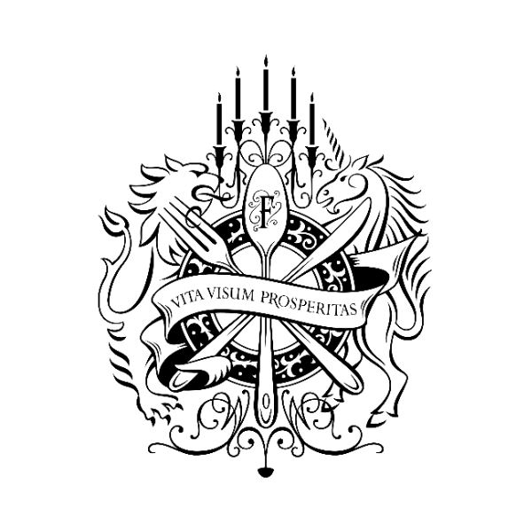

DORCHESTER COLLECTION

BUSINESS BAY, DUBAI - UNITED ARAB EMIRATES

Second Floor - Secret Garden Bill of Quantities
FND-1614-02-FB-BOQ-001-T

Revision T - 17th November 2019

